Case #1
Justin Pope Dev Test
Test Case No. | 1
Process | unit testing
Test Consideration | 1) Visual Studio 2) SSMS
Test Condition |  | Data Used | How To Verify | Actual Results
Tasks
1 | Add Staged Record | Created a staged record ([SOH].[SorMater_Process_Staged]) SalesOrder : 200-1086449 DispatchNote : 100000000241383 | query database
Configuration/Data Setup for Testing Scenario
Verification
Test Cast Screens Shots Before and After

 | New Settings for timers to for processing. This xml document is stored in SysproDocument.dbo.Setting | Minutes is the timer duration berfore triggering again StartTime and EndTime is the time of day to run
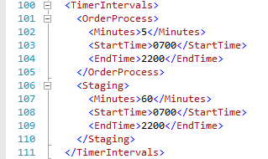

 | Unit Test - cMain.GetAppSettings | Subroutine that pulls down the settings from SQL | Test shows that no errors occurred
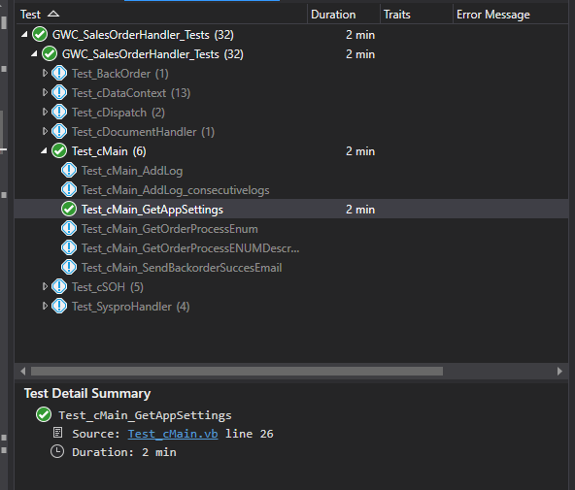

 | Excuting Program in Debug mode to show the service timers setting up their interval

 | The following is an export of logs for the Sales Orde Handler service showing the timers running with out errors
 | ApplicationID | LogDateTime | SubTask | EventDescription | GroupIdentifier | Identifier | LogValue | LogValue2 | XMLValue | LoggedError
 | 46 | 2023-05-31 10:46:53 | cSOH | Service Stop |  |  | Services is stopping (Previous Status: cSOH) | NULL | NULL | 0
 | 46 | 2023-05-31 10:42:05 | cSOH | Order Process Timer Started | tmrPrimary |  | Timer interval set to 5 minutes | NULL | NULL | 0
 | 46 | 2023-05-31 10:42:05 | cSOH | Service Loop Finished |  |  | No Records to Process | NULL | NULL | 0
 | 46 | 2023-05-31 10:42:04 | cSOH | tmrPrimary_Elapsed_Start |  |  | Service Loop Start - 5/31/2023 10:42 AM | NULL | NULL | 0
 | 46 | 2023-05-31 10:37:33 | cSOH | Staging Timer Started | tmrStaging |  | Timer interval set to 60 minutes | NULL | NULL | 0
 | 46 | 2023-05-31 10:37:32 | cSOH | Staging Timer Elasped | tmrStaging |  | Staging Orders | NULL | NULL | 0
 | 46 | 2023-05-31 10:37:04 | cSOH | Order Process Timer Started | tmrPrimary |  | Timer interval set to 5 minutes | NULL | NULL | 0
 | 46 | 2023-05-31 10:37:04 | cSOH | Service Loop Finished |  |  | No Records to Process | NULL | NULL | 0
 | 46 | 2023-05-31 10:37:03 | cSOH | tmrPrimary_Elapsed_Start |  |  | Service Loop Start - 5/31/2023 10:37 AM | NULL | NULL | 0
 | 46 | 2023-05-31 10:32:03 | cSOH | Order Process Timer Started | tmrPrimary |  | Timer interval set to 5 minutes | NULL | NULL | 0
 | 46 | 2023-05-31 10:32:03 | cSOH | Service Loop Finished |  |  | No Records to Process | NULL | NULL | 0
 | 46 | 2023-05-31 10:32:02 | cSOH | tmrPrimary_Elapsed_Start |  |  | Service Loop Start - 5/31/2023 10:32 AM | NULL | NULL | 0
 | 46 | 2023-05-31 10:27:00 | cSOH | Order Process Timer Started | tmrPrimary |  | Timer interval set to 5 minutes | NULL | NULL | 0
 | 46 | 2023-05-31 10:27:00 | cSOH | Service Loop Finished |  |  | No Records to Process | NULL | NULL | 0
 | 46 | 2023-05-31 10:26:59 | cSOH | tmrPrimary_Elapsed_Start |  |  | Service Loop Start - 5/31/2023 10:27 AM | NULL | NULL | 0
 | 46 | 2023-05-31 10:21:59 | cSOH | Order Process Timer Started | tmrPrimary |  | Timer interval set to 5 minutes | NULL | NULL | 0
 | 46 | 2023-05-31 10:21:59 | cSOH | Service Loop Finished |  |  | No Records to Process | NULL | NULL | 0
 | 46 | 2023-05-31 10:21:58 | cSOH | tmrPrimary_Elapsed_Start |  |  | Service Loop Start - 5/31/2023 10:21 AM | NULL | NULL | 0
 | 46 | 2023-05-31 10:16:59 | cSOH | Order Process Timer Started | tmrPrimary |  | Timer interval set to 5 minutes | NULL | NULL | 0
 | 46 | 2023-05-31 10:16:58 | cSOH | Service Loop Finished |  |  | No Records to Process | NULL | NULL | 0
 | 46 | 2023-05-31 10:16:58 | cSOH | tmrPrimary_Elapsed_Start |  |  | Service Loop Start - 5/31/2023 10:16 AM | NULL | NULL | 0
 | 46 | 2023-05-31 10:12:03 | cSOH | Order Process Timer Started | tmrPrimary |  | Timer interval set to 5 minutes | NULL | NULL | 0
 | 46 | 2023-05-31 10:12:02 | cSOH | Service Loop Finished |  |  | No Records to Process | NULL | NULL | 0
 | 46 | 2023-05-31 10:12:02 | cSOH | tmrPrimary_Elapsed_Start |  |  | Service Loop Start - 5/31/2023 10:11 AM | NULL | NULL | 0
 | 46 | 2023-05-31 10:07:02 | cSOH | Order Process Timer Started | tmrPrimary |  | Timer interval set to 5 minutes | NULL | NULL | 0
 | 46 | 2023-05-31 10:07:01 | cSOH | Service Loop Finished |  |  | No Records to Process | NULL | NULL | 0
 | 46 | 2023-05-31 10:07:01 | cSOH | tmrPrimary_Elapsed_Start |  |  | Service Loop Start - 5/31/2023 10:06 AM | NULL | NULL | 0
 | 46 | 2023-05-31 10:02:01 | cSOH | Order Process Timer Started | tmrPrimary |  | Timer interval set to 5 minutes | NULL | NULL | 0
 | 46 | 2023-05-31 10:02:00 | cSOH | Service Loop Finished |  |  | No Records to Process | NULL | NULL | 0
 | 46 | 2023-05-31 10:02:00 | cSOH | tmrPrimary_Elapsed_Start |  |  | Service Loop Start - 5/31/2023 10:01 AM | NULL | NULL | 0
 | 46 | 2023-05-31 09:56:59 | cSOH | Order Process Timer Started | tmrPrimary |  | Timer interval set to 5 minutes | NULL | NULL | 0
 | 46 | 2023-05-31 09:56:59 | cSOH | Service Loop Finished |  |  | No Records to Process | NULL | NULL | 0
 | 46 | 2023-05-31 09:56:58 | cSOH | tmrPrimary_Elapsed_Start |  |  | Service Loop Start - 5/31/2023 9:56 AM | NULL | NULL | 0
 | 46 | 2023-05-31 09:51:59 | cSOH | Order Process Timer Started | tmrPrimary |  | Timer interval set to 5 minutes | NULL | NULL | 0
 | 46 | 2023-05-31 09:51:58 | cSOH | Service Loop Finished |  |  | No Records to Process | NULL | NULL | 0
 | 46 | 2023-05-31 09:51:58 | cSOH | tmrPrimary_Elapsed_Start |  |  | Service Loop Start - 5/31/2023 9:51 AM | NULL | NULL | 0
 | 46 | 2023-05-31 09:46:55 | cSOH | Order Process Timer Started | tmrPrimary |  | Timer interval set to 5 minutes | NULL | NULL | 0
 | 46 | 2023-05-31 09:46:55 | cSOH | Service Loop Finished |  |  | No Records to Process | NULL | NULL | 0
 | 46 | 2023-05-31 09:46:55 | cSOH | tmrPrimary_Elapsed_Start |  |  | Service Loop Start - 5/31/2023 9:46 AM | NULL | NULL | 0
 | 46 | 2023-05-31 09:41:59 | cSOH | Order Process Timer Started | tmrPrimary |  | Timer interval set to 5 minutes | NULL | NULL | 0
 | 46 | 2023-05-31 09:41:59 | cSOH | Service Loop Finished |  |  | No Records to Process | NULL | NULL | 0
 | 46 | 2023-05-31 09:41:58 | cSOH | tmrPrimary_Elapsed_Start |  |  | Service Loop Start - 5/31/2023 9:41 AM | NULL | NULL | 0
 | 46 | 2023-05-31 09:37:33 | cSOH | Staging Timer Started | tmrStaging |  | Timer interval set to 60 minutes | NULL | NULL | 0
 | 46 | 2023-05-31 09:36:58 | cSOH | Order Process Timer Started | tmrPrimary |  | Timer interval set to 5 minutes | NULL | NULL | 0
 | 46 | 2023-05-31 09:36:14 | cSOH | ServiceStart |  |  | GWC_SalesOrderHandler_ComboApp starting | NULL | NULL | 0
 | 46 | 2023-05-31 09:36:04 | cSOH | Service Stop |  |  | Services is stopping (Previous Status: cSOH) | NULL | NULL | 0
 | 46 | 2023-05-31 09:34:29 | cSOH | Staging Timer Started | tmrStaging |  | Timer interval set to 60 minutes | NULL | NULL | 0
 | 46 | 2023-05-31 09:33:12 | cSOH | Order Process Timer Started | tmrPrimary |  | Timer interval set to 5 minutes | NULL | NULL | 0
 | 46 | 2023-05-31 09:29:41 | cSOH | ServiceStart |  |  | GWC_SalesOrderHandler_ComboApp starting | NULL | NULL | 0

